Hoja1
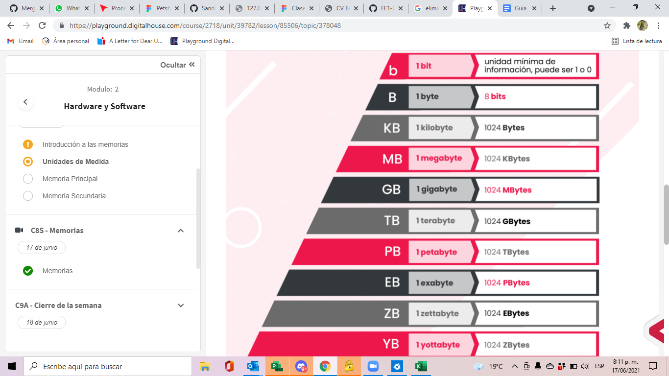
1 | bit
1 | byte | 8 | bits
1 | Kilobyte | 1024 | bytes
1 | Megabyte | 1024 | Kylobytes
1 | Gigabyte | 1024 | Mbytes
1 | Terabyte | 1024 | Gbytes
1 | Ptabyte | 1024 | Tbytes
1 | exabyte | 1024 | Pbytes

Hoja2
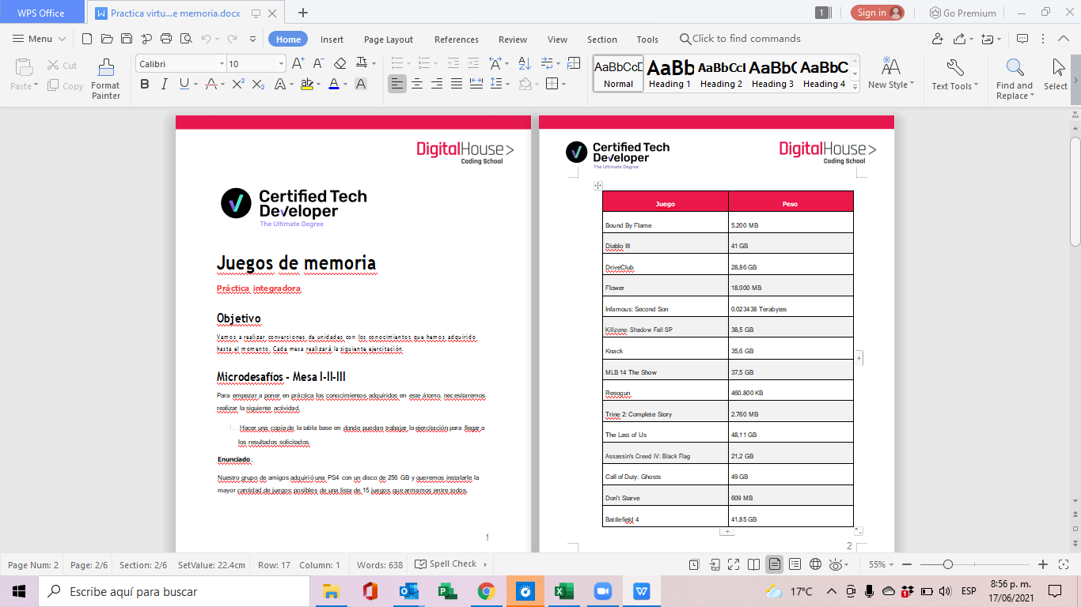
Mesa 3 |  |  | 256 | Bytes

 | Peso |  | Gbytes
Bound By Flame | 5200 | MB | 5.08
Diablo III | 41 | GB | 41.00
DriveClub | 28.86 | GB | 28.86
Flower | 18000 | MB | 17.58
Infamous: Second Son | 0.023438 | Terabytes | 24.00
Killzone: Shadow Fall SP | 38.5 | GB | 38.50
Knack | 35.6 | GB | 35.60
MLB 14 The Show | 37.5 | GB | 37.50
Resogun | 460800 | KB | 0.44
Trine 2: Complete Story | 2760 | MB | 2.70
The Last of Us | 48.11 | GB | 48.11
Assassin's Creed IV: Black Flag | 21.2 | GB | 21.20
Call of Duty: Ghosts | 49 | GB | 49.00
Don't Starve | 609 | MB | 0.59
Battleﬁeld 4 | 41.85 | GB | 41.85
 |  |  | 392.01

Juego | Peso | Unidad | Gbytes
Resogun | 460800 | KB | 0.44
Don't Starve | 609 | MB | 0.59
Trine 2: Complete Story | 2760 | MB | 2.70
Bound By Flame | 5200 | MB | 5.08
Flower | 18000 | MB | 17.58
Assassin's Creed IV: Black Flag | 21.2 | GB | 21.20
Infamous: Second Son | 0.023438 | Terabytes | 24.00
DriveClub | 28.86 | GB | 28.86
Knack | 35.6 | GB | 35.60
MLB 14 The Show | 37.5 | GB | 37.50
Killzone: Shadow Fall SP | 38.5 | GB | 38.50
Diablo III | 41 | GB | 41.00
Battleﬁeld 4 | 41.85 | GB | 41.85
The Last of Us | 48.11 | GB | 48.11
Call of Duty: Ghosts | 49 | GB | 49.00

Juegos que compramos

